sq ftg calcs
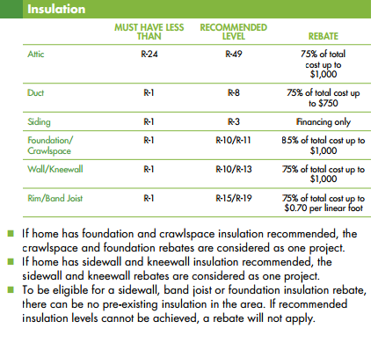
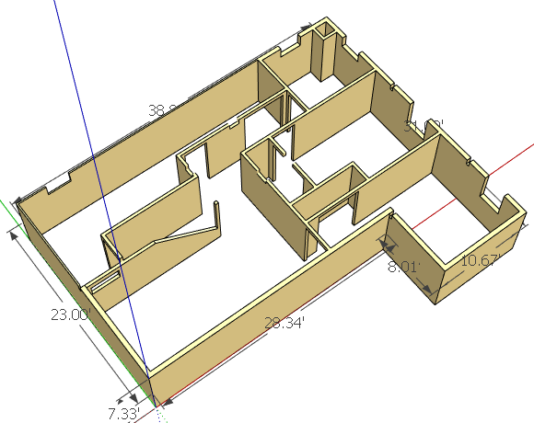
Perimeter Band Joist Sqare Footage
28.34 | Wall West
8.01 | Wall Bump Out South
10.67 | Wall Bump Out West
31 | Wall North
38.83 | Wall East
23 | Wall South
139.85 | lin ft (wall lengths)
1 | ft (bay height)
139.9 | sq ft (total perimeter wall area)
279.7 | sq ft (double for 2 ply of bay)

2" Thick Rigid foam board price compare |  |  |  |  |  |  | # of Sheets to Buy
sq ft per pc | Product | $per pc | R-val | $/sq ft | $*Total sq ft | Total cost / R-val
10.7 | FOAMULAR® CW15 2"X16"X 96" | $9.99 | 10 | $0.94 | $261.96 | $26.20 | 26.2
32 | Laminated XPS Sheets | $22.66 | 8 | $0.71 | $198.06 | $24.76 | 8.7
32 | FOAMULAR 150 2" x 4' x 8' | $28.35 | 10 | $0.89 | $247.80 | $24.78 | 8.7
32 | JM Fiberglass Face Poly Iso Decking | $28.44 | 11.4 | $0.89 | $248.58 | $21.81 | 8.7

